Stakeholder Matrix
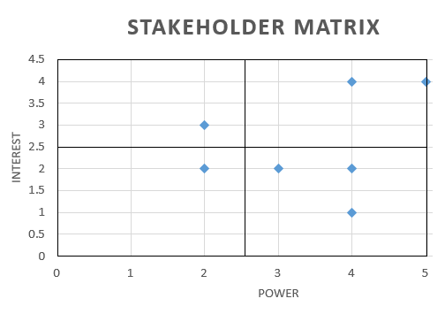
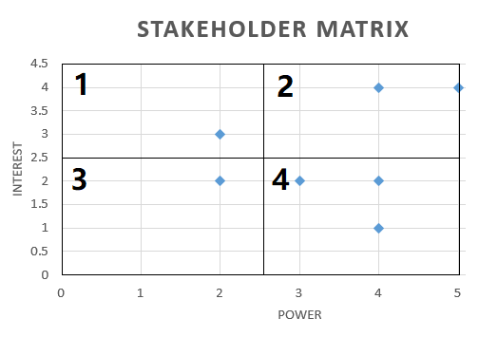
Stakeholder Analysis
Project Name | Project Description
Migrating to USB-C port | A smartphone company is forced due to new EU law to migrate from micro-USB to USB type-C charging port

Stakeholder importance 1-5
Stakeholder | Power (influence of stakeholder) | Interest (impact on stakeholder)

Employees | 2 | 3
Shareholders | 4 | 4
Competitors | 2 | 2
Customers | 5 | 4
Distributors | 4 | 2
Suppliers | 3 | 2
Government | 4 | 1

 |  |  |  | High Interest | Low Interest
 |  |  | High Power | Customers Shareholders | Government, Distributors, Supliers

 |  |  | Low Power | Employees | Competitors

